Men Draw
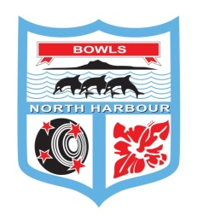
Bowls North Harbour - Champion of Champion 1-5 Men's Singles
21st & 22nd May 2022
TOURNAMENT DIRECTOR - CHUB ROBERTS 027 481 3297
UMPIRE: Hein Visser - TBC SUNDAY - Dave Pownall

SATURDAY 21st MAY - MANLY BOWLING CLUB |  |  | SUNDAY 22nd MAY - BOWLS OREWA
Start 9:00 am | Report by 10.00 am |  | Start 9:00 am

 |  |  | FINAL
 | Paddy Benstead - Sunnybrae

 |  | Darren Morrow
 |  | 21-3
 | Darren Morrow - Hobsonville

 |  |  | Darren Morrow
 |  |  | 21-4
 | Darrin McLay - Beachhaven

 |  | Darrin McLay
Kevin Sadgrove - Mahurangi |  | 21-13
 | Kevin Sadgrove
Geert Donkers - Waimauku | 21-12

Wayne Harris - Orewa
 | Wayne Harris
Gideon van den Berg - Browns Bay | 21-0
 |  | Mike Jackson
Graeme McGregor - Mairangi Bay |  | 21-20
 | Mike Jackson
Mike Jackson - Omaha Beach | 21-12
 |  |  | Shaun Goldsbury
Andy Dorrance - Manly |  |  | 21-18
 | Andy Dorrance
Chad Nathan - Birkenhead | 21-17
 |  | Shaun Goldsbury
Shaun Goldsbury - Takapuna |  | 21-10
 | Shaun Goldsbury
Paul Buchanan - Helensville | 21-8

